Zigbee & Casambi příslušenství
 | Obrázek | Obj.číslo | EAN | Popis | MOC vč.DPH | MOC bez DPH | Install |  | Power supply | Dimension | Compatible for luminaire |  |  |  |  |  | Compatible for App/Hub/Router
 |  |  |  |  |  |  | Embedded mounting KU 68 | Surface mounting |  |  | D (DALI DT6) | DTW (DALI DT8) | ZB | ZBTW | CS | CSTW | App Android iOS | Philips HUE | Amazon Alexa | Homey | Azoula | Hubitat
ZIGBEE |  | SR-2421-ZG-Push | 8585054437382 | Zigbee - Smart Lighting master controller for/DALI DT6/DT8/ 1-10V luminaires. Control of up to 64 DALI adress, 1 group DT6, 1 group DT8. Max. 25pcs DALI 2mA drivers/luminaires. For more drivers/luminaires you must use external DALI bus power. It is not possible to combine DALI D6 and DT8 luminaires connected to the converter. L PUSH button support. For programming, refer to the datasheet and user manual. | 3,158 Kč | 2,610 Kč | ✔ | ✔ | INPUT 220-240V/50-60Hz OUTPUT DALI BUS 14-16V 50mA | 80x36x21 | ✔ | ✔ | X | X | X | X | X | ✔ | ✔ | ✔ | ✔ | ✔
 | 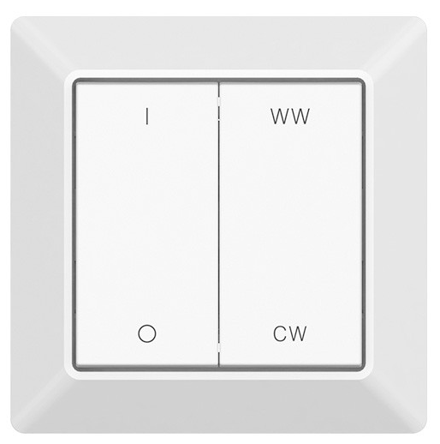 | SR-ZGP2801K4-CCT-E | 8585054437610 | Zigbee - Smart Lighting wall dimmer 1-channel. Tunable white remote control that allows tunable control of white and dimming. Works with Zigbee LED2 lights. Compatible with existing frames from Beker, Gira, Jung, Merten, the Zigbee remote is easy to be mounted on the wall. 20 remote controls can be paired with one luminaire. Range indor 30m. | 2,105 Kč | 1,740 Kč | ✔ | ✔ | Battery CR2430 | 81x81x15 | X | X | X | ✔ | X | X | X | X | ✔ | ✔ | ✔ | ✔
 | 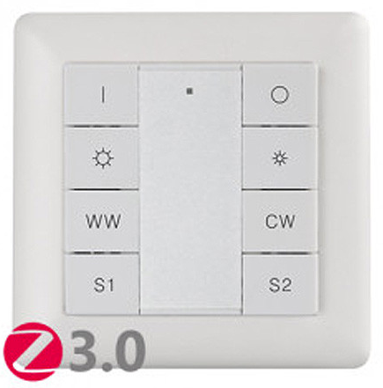 | SR-ZG9001K8-CCT | 8585054437580 | Zigbee - Smart Lighting wall dimmer 1-channel. Tunable white remote control that allows tunable control of white and dimming. Works with Zigbee LED2 lights. It is possible to save 2 light scenes. Compatible with existing frames from Beker, Gira, Jung, Merten, the Zigbee remote is easy to be mounted on the wall. 30 remote controls can be paired with one luminaire. Range indor 30m. | 2,105 Kč | 1,740 Kč | ✔ | ✔ | Battery CR2450 | 81x81x15 | X | X | X | ✔ | X | X | X | X | ✔ | ✔ | ✔ | ✔
 | 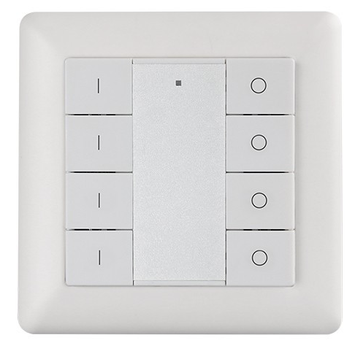 | SR-ZG9001K8-DIM | 8585054437597 | Zigbee - Smart Lighting wall dimmer 4-channel. Single color remote control that enables switch and dimming control. Works with Zigbee LED2 lights. Compatible with existing frames from Beker, Gira, Jung, Merten, the Zigbee remote is easy to be mounted on the wall. Only one remote control can be paired with one luminaire. Range indor 30m. | 1,263 Kč | 1,044 Kč | ✔ | ✔ | Battery CR2450 | 81x81x15 | X | X | ✔ | X | X | X | X | X | ✔ | ✔ | ✔ | ✔
 | 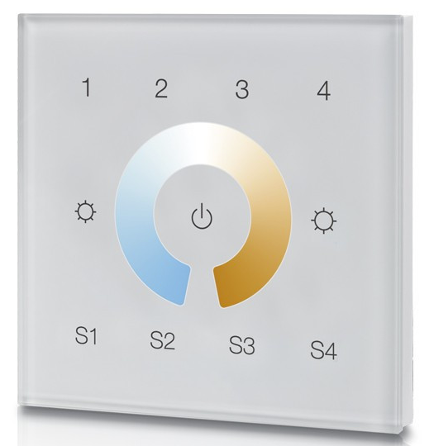 | SR-ZG9001T4-CCT-EU | 8585054437603 | Zigbee - Smart Lighting dimmer 4-channel tunable white remote control that allows tunable control of white and dimming. Works with Zigbee LED2 lights. It is possible to save 4 light scenes. Only one remote control can be paired with one luminaire. 230V is required to power the device. Installation in the installation box KU 68. Range indor 30m. | 1,930 Kč | 1,595 Kč | ✔ | X | 230V | 86x86x20 | X | X | X | ✔ | X | X | X | X | ✔ | ✔ | ✔ | ✔
 |  | SR-ZG2803-G4-5C | 8585054437573 | Zigbee - Smart Lighting dimmer 4-channel tunable white and RGB remote control that allows tunable control of white, RGB and dimming. Works with Zigbee LED2 lights. Magnetic base. Only one remote control can be paired with one luminaire. Range indor 30m. | 1,649 Kč | 1,363 Kč | X | ✔ | Battery CR2025 | 136x34x11 | X | X | ✔ | ✔ | X | X | X | X | ✔ | ✔ | ✔ | ✔

CASAMBI |  | RAYRUN HCB30 | 8585054438747 | Casambi - Smart Lighting wireless master controller for/DALI DT6/DT8/0-10V luminaires. Control of up to 64 DALI adress, 8 groups DT6, 4 group DT8. Max. 25pcs DALI 2mA drivers/luminaires. For more drivers/luminaires you must use external DALI bus power. It is not possible to combine DALI D6 and DT8 luminaires connected to the converter. Long range bluetooth support. CASAMBI App programming, refer to the datasheet and user manual. | 4,211 Kč | 3,480 Kč | ✔ | ✔ | INPUT 220-240V/50-60Hz OUTPUT DALI BUS 14-16V 50mA | 81x26x20 | ✔ | ✔ | X | X | X | X | ✔ | ✔ | X | ✔ | X | X
 | 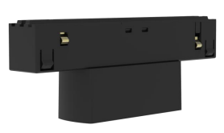 | VBU-D-ITL-B | 8585054438600 | Casambi - Smart Lighting master controller for/DALI DT6/DT8 luminaires for MAG TRACK 48V A.A.G. Stucchi. Control of up to 64 DALI adress, 8 groups DT6, 1 group DT8. Max. 15pcs DALI 2mA drivers/luminaires. For more drivers/luminaires you must use external DALI bus power. It is not possible to combine DALI D6 and DT8 luminaires connected to the converter. Long range bluetooth support. CASAMBI App programming, refer to the datasheet and user manual. | 6,983 Kč | 5,771 Kč | X | X | INPUT 48V OUTPUT DALI BUS 14-16V 26mA | 98x38x20 | MAG TRACK & A.A.G. Stucchi standard 48V rails. |  | X | X | X | X | ✔ | ✔ | X | ✔ | X | X
 |  | VBU-D-ITL-W | 8585054438617 | Casambi - Smart Lighting master controller for/DALI DT6/DT8 luminaires for MAG TRACK 48V A.A.G. Stucchi. Control of up to 64 DALI adress, 8 groups DT6, 1 group DT8. Max. 15pcs DALI 2mA drivers/luminaires. For more drivers/luminaires you must use external DALI bus power. It is not possible to combine DALI D6 and DT8 luminaires connected to the converter. Long range bluetooth support. CASAMBI App programming, refer to the datasheet and user manual. | 6,983 Kč | 5,771 Kč | X | X | INPUT 48V OUTPUT DALI BUS 14-16V 26mA | 98x38x20 |  |  | X | X | X | X | ✔ | ✔ | X | ✔ | X | X
 |  | VBA-RCS8-B | 8585054438655 | Casambi - Smart Wall frosted glass tunable white remote control that allows tunable control of white and dimming. Can control totally 4 assigned action(scene,animation,one luminaire or group). The switch can be kept wherever the user wishes and gives direct access to all the Casambi lighting control functionalities. Long range bluetooth support. It integrates a proximity sensor. Device will wake up when there’s a hand montion detected within 30 cm, and human motion detected within 80 cm. Magnetic base. CASAMBI App programming, refer to the datasheet and user manual. | 6,632 Kč | 5,481 Kč | ✔ | ✔ | Battery CR 2430 | 86x86x15 | X | X | X | X | ✔ | ✔ | ✔ | ✔ | X | ✔ | X | X
 |  | VBA-RCS8-W | 8585054438662 | Casambi - Smart Wall frosted glas tunable white remote control that allows tunable control of white and dimming. Can control totally 4 assigned action(scene,animation,one luminaire or group). The switch can be kept wherever the user wishes and gives direct access to all the Casambi lighting control functionalities. Long range bluetooth support. It integrates a proximity sensor. Device will wake up when there’s a hand montion detected within 30 cm, and human motion detected within 80 cm. Magnetic base. CASAMBI App programming, refer to the datasheet and user manual. | 6,632 Kč | 5,481 Kč | ✔ | ✔ | Battery CR 2430 | 86x86x15 | X | X | X | X | ✔ | ✔ | ✔ | ✔ | X | ✔ | X | X

